Sheet1
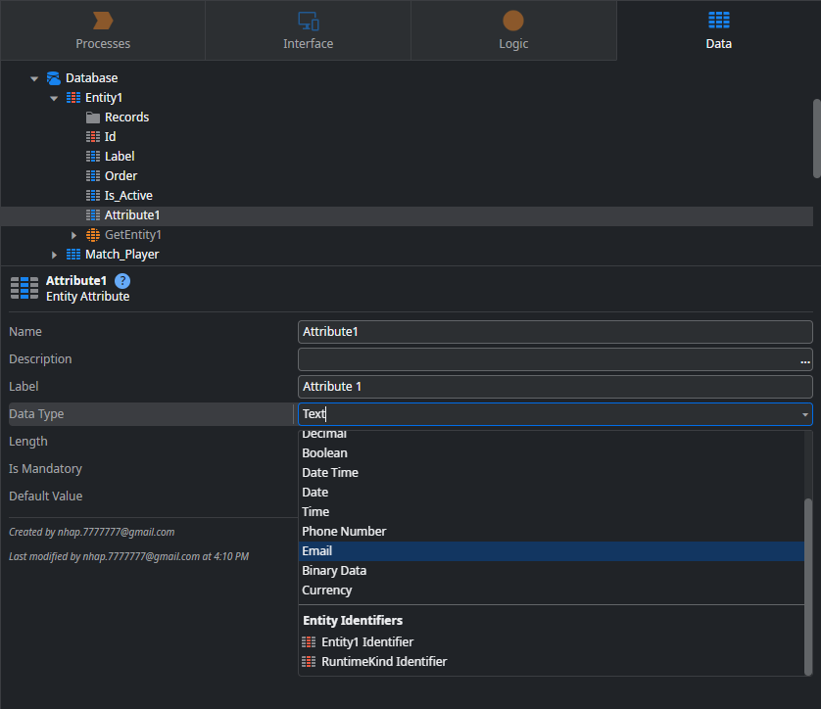
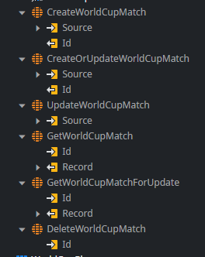
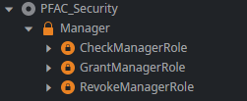

input param of the screen does not have the list type
input param of the block have the list type

attribute of a structure have the list type

site property and client variable doesn't have the list type

